0_Guidance
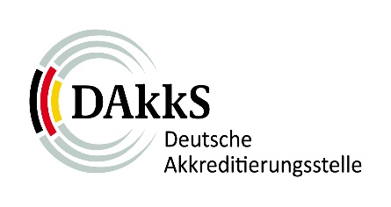 |  | Data request for certification bodies based on IAF MD 12 and IAF MD 15 and applicability of IAF MD 1 | 81 FB 002_e
 |  |  | Revision | 1.2
 |  |  | Datum | 2019-01-15
 | 1 General information on CB
 | 2 Overview locations
 | 3 Overview main certificates
 | 4 Multisite Certifications

 | Guidance for the completion of the form

 | This request for data is based on the IAF-mandatory document IAF MD 12:2016 "Accreditation Assessment of Conformity Assessment Bodies with Activities in Multiple Countries" and IAF MD 15:2014 "IAF Mandatory Document for the Collection of Data to Provide Indicators of Management System Certification Bodies' Performance". The data is intended for use as basis for the planning of the assessment program by the responsible case manager of DAkkS. As far as possible respectively with permission of the certification body the relevant national accreditation bodies are assigned with the performance of the assessments. The data collection is be carried out annually by 31st of January for the previous year. For the compliance assessment of IAF MD 1 „IAF Mandatory Document for the Audit and Certification of a Management System Operated by a Multi-Site Organization" accredited certification bodies must provide additional informations about their auditing of multisite organizations using site sampling according IAF MD1.

